001_IPA_IGM_Denpasar

PT. PERISAI CAKRAWALA INDONESIA
Ruko Asera Blok 1S-20 No.26
Harapan Indah - Bekasi 17214
Jawa Barat - Indonesia
Telp/Fax : +6221 - 8944 5283
Email : sales@pciexpress.id

INVOICE PERFORMA

To | : PT. Indofarma Global Medika |  |  |  |  |  | Invoice Performa | : | 001/PCI-IPA/I/22
 | Jl. Indofarma No. 1 Cibitung |  |  |  |  |  | Invoice Date | : | 2022-01-28
 | Cikarang Barat, Bekasi 17530 |  |  |  |  |  | Due Date | :
 |  |  |  |  |  |  | JO | : | 0137
Attn | : Finance Dept

NO | DATE | PO | DESCRIPTION | DESNATION | COLLY | KG | UNIT PRICE |  | AMOUNT
1 | 20-Jan-22 |  | Pengiriman Barang Tujuan IGM Denpasar | Denpasar | 61 | 500 | 3,000 |  | 1,500,000
SUB TOTAL |  |  |  |  |  |  |  |  | 1,500,000

 |  |  |  |  |  |  | PPN 1 % |  | Rp15,000
 |  |  |  |  |  |  | DP |  | Rp-
 |  |  |  |  |  |  | Pelunasan |  | Rp-
 |  |  |  |  |  |  | Total |  | Rp1,515,000
Say : Satu Juta Lima Ratus Lima Belas Ribu Rupiah.

Payment Instructions
Pay Cheque or Transfer to :
BANK CENTRAL ASIA (BCA)
521-1322-455
PT. PERISAI CAKRAWALA INDONESIA

 |  |  |  |  |  |  | Bekasi, | 2022-01-28
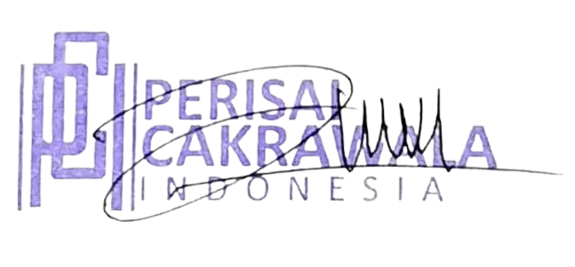

 |  |  |  |  |  |  | Dede Komalasari

